Bug-Categories
BUG ID | BUG TITLE | BUG DESCRIPTION | STEPS | ACTUAL RESULT | EXPECTED RESULT | ENVIROMENT INFORMATION | SEVERITY | ATTACHMENTS | VERSION
BugCate-001 | [CATEGORIES IMPORT] Still display message import successfully when import the data same as data in list | Display message: 'Categories have been imported successfully' when import the data same as data in list | 1. Open 'https://admin-demo.nopcommerce.com/; 2. Enter Email and Password -> Login 3. Choose 'Catalog' > 'Categories' 4. Click the 'Import' button. 5. Choose file 6. Click 'Import from Excel' | Display the message: ''Categories have been imported successfully'' | Display the message: ''Categories had been imported unsuccessfully'' or 'Categories already exist | Windows 10: Microsoft Edge, Chrome | Major | 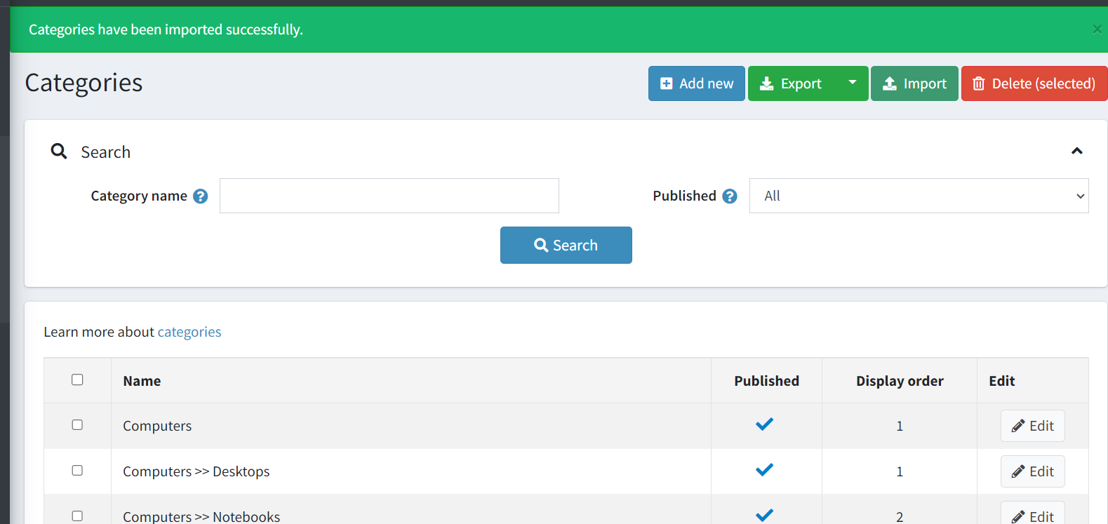 | nopCommerce 4.60.0
BugCate-002 | [CATEGORIES EXPORT] The exported data in Excel file is not the same as the system. | When export to excel file, data in Excel isn't the same as data in the system | 1. Open 'https://admin-demo.nopcommerce.com/' 2. Enter Email and Password -> Login 3. Choose 'Catalog' > 'Categories' 4. Click the 'Export' button. 5. Choose 'Export to Excel' | The data in Excel file isn't the same as the data in the system | The data in Excel file is the same as the data in the system | Windows 10: Microsoft Edge, Chrome | Major |  | nopCommerce 4.60.0
BugCate-001 | [LOGIN WRONG] Wrong account login more than 3 times can still re-login | The account that has been logged in incorrectly more than 3 times can still be re-entered but not locked | 1. Open 'https://admin-demo.nopcommerce.com/' 2. Enter email :'admin@yourstore.com' 3. Enter Password:'admUn1' 4. Click 'login' button | Wrong account login more than 3 times can still re-login | Login wrong account more than 3 times can't log back in | Windows 10: Microsoft Edge, Chrome | Major |  | nopCommerce 4.60.0

